Important websites
Bookmark these US websites for quick and easy access!

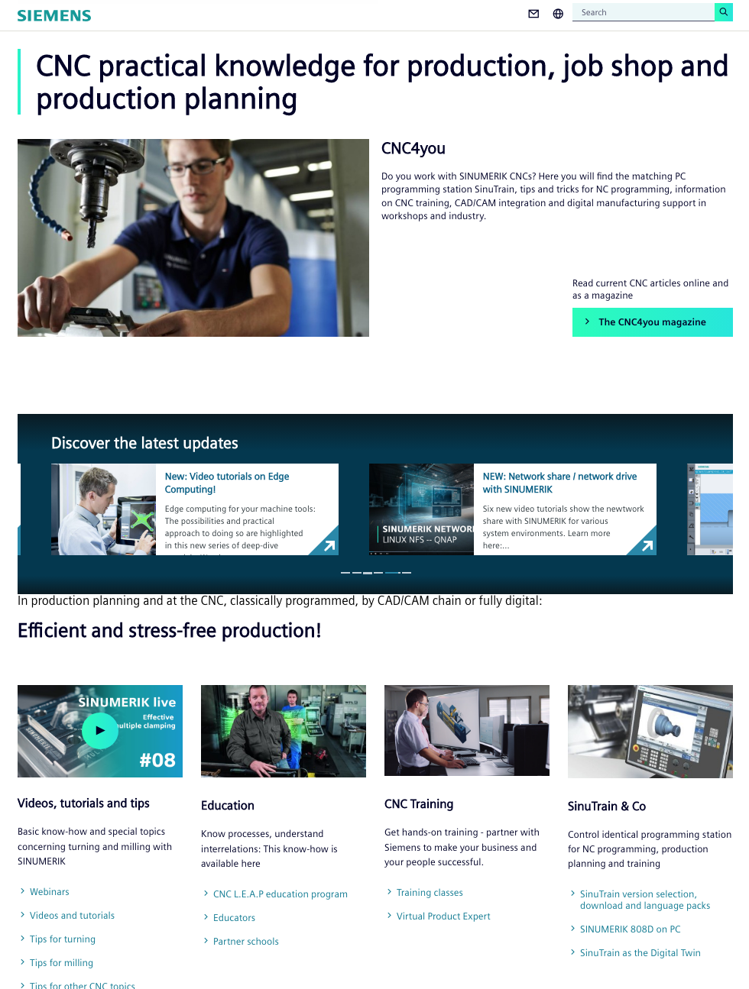
 | CNC4you (US) — US site for everything around the SINUMERIK control | http://usa.siemens.com/cnc4you

 | SINUMERIK CNC webinars | http://usa.siemens.com/cnc-webinars

 | SINUMERIK CNC training — online and in-person, instructor-led | http://usa.siemens.com/cnc-training

 | Machine registration | http://usa.siemens.com/machine-registration
 | CNC machine warranty | http://usa.siemens.com/cnc-warranty

 | Virtual Product Expert — one-on-one virtual session | http://usa.siemens.com/vpe

 | CNC LEAP education program | http://usa.siemens.com/cnc-leap

Social Media channels
Follow us on LinkedIn, YouTube, Facebook, Twitter
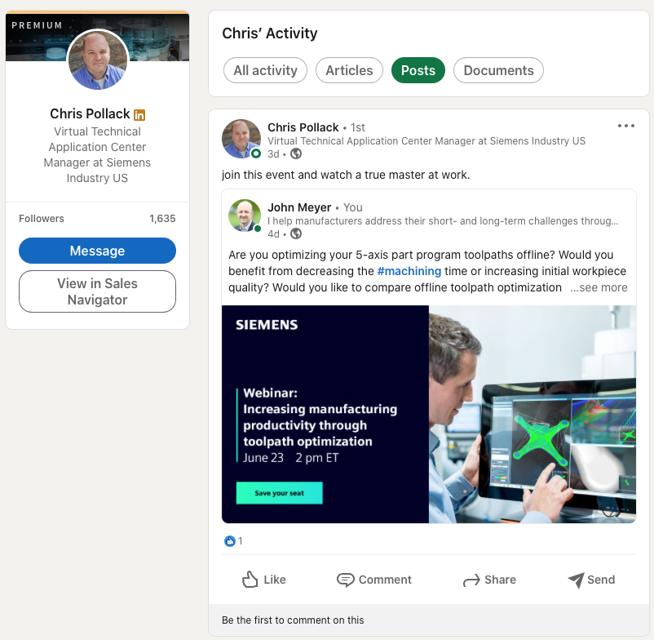
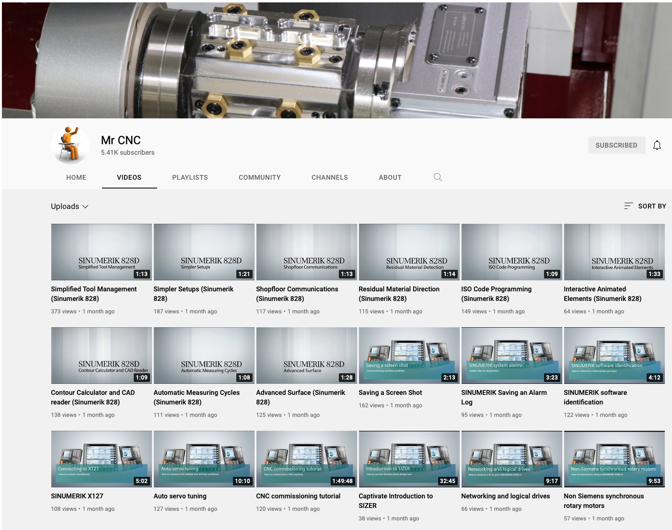
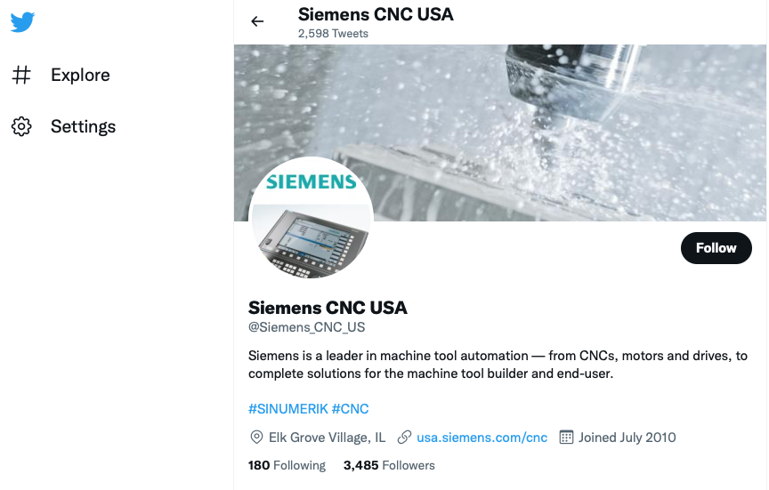
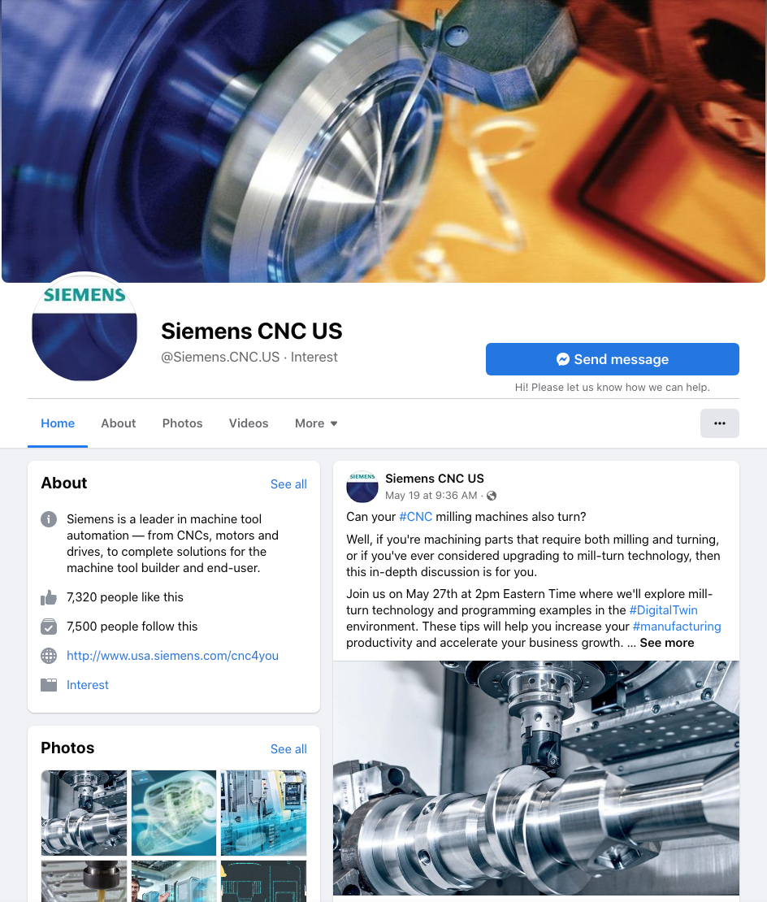

Chris Pollack | Mr. CNC — Everything SINUMERIK around Operation and Programming
https://www.linkedin.com/in/chris-pollack/ | https://youtube.com/mrcnc | http://twitter.com/siemens_cnc_us

Other Siemens subject matter experts to follow:

Dan Strubel | Global SINUMERIK CNC YouTube playlist
https://www.linkedin.com/in/daniel-strubel-12801a3a/ | https://www.youtube.com/playlist?list=PLw7lLwXw4H53XP8_KFCnwzfVzlVa7rAkQ

Daniel Vitullo
https://www.linkedin.com/in/daniel-vitullo-128253104/

Steve Holmes
https://www.linkedin.com/in/steve-holmes-bb96a7b3/

John Meyer
https://www.linkedin.com/in/-johnmeyer/

 |  |  | http://facebook.com/siemens.cnc.us

Join our Contact List
Join our Contact List to stay up-to-date on the latest SINUMERIK news including webinars and events!

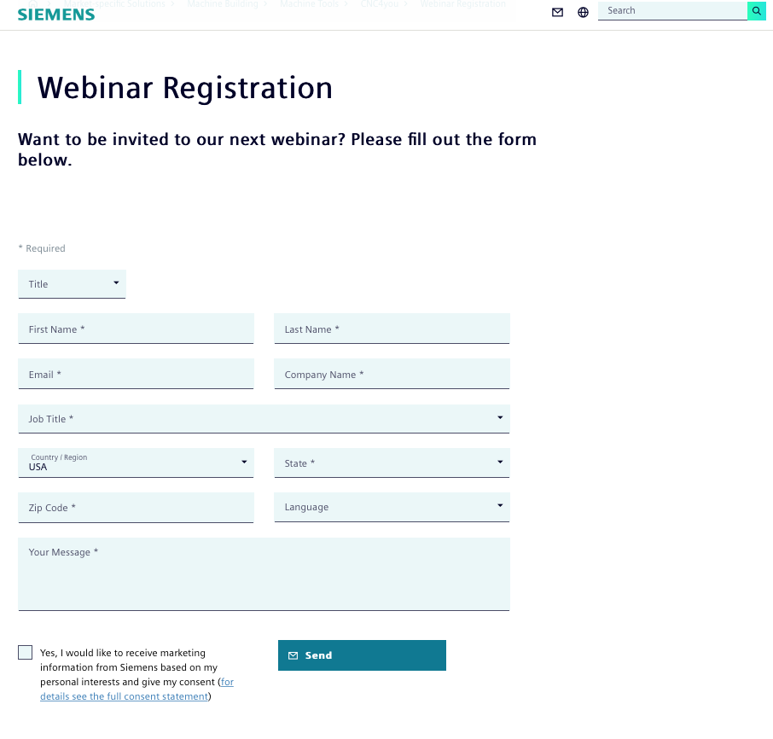
 | Sign-up in less than 60-seconds

Additional websites
Additional websites for reference

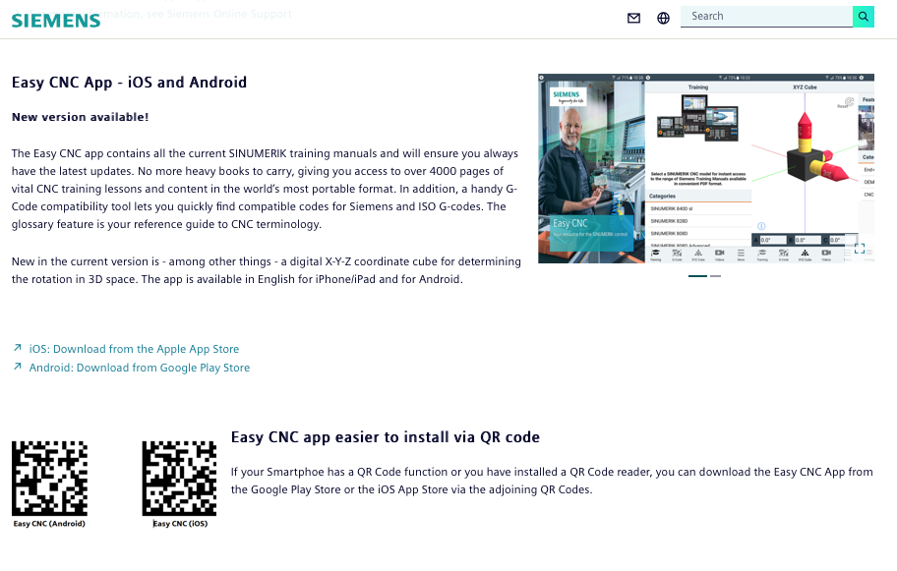
 | Easy CNC app for iOS and iPadOS | https://apps.apple.com/us/app/easy-cnc/id498326185

 | Easy CNC app for Android | https://play.google.com/store/apps/details?id=com.siemens.easycnc

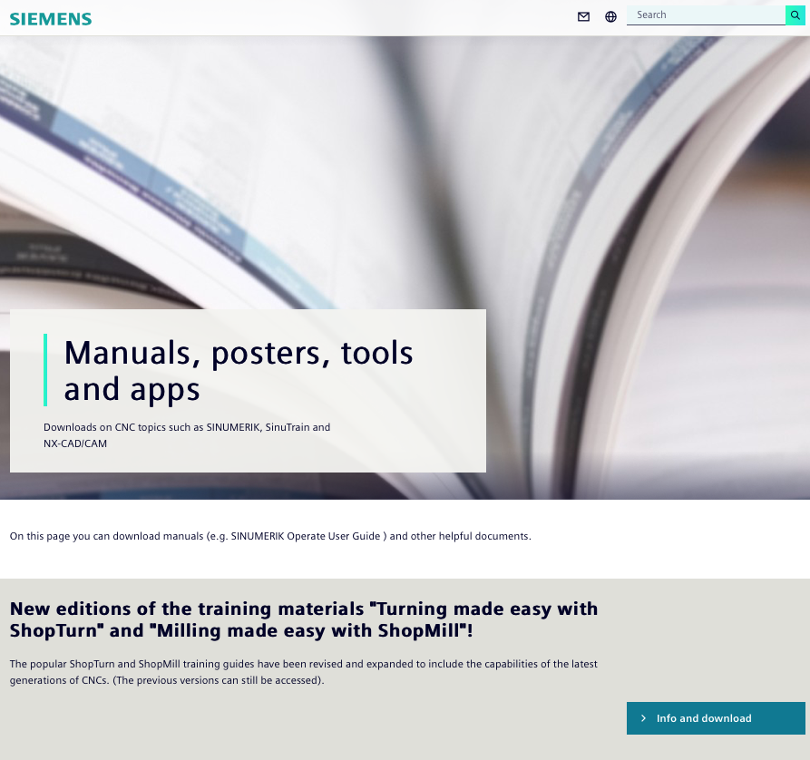
 | CNC4you — global | http://siemens.com/cnc4you

 | Downloads of manuals, posters, tools, apps and more! | http://usa.siemens.com/cnc-downloads

 | Machine Tool Service and Support | http://usa.siemens.com/cnc-service | Call us! | (800) 879-8079

 | Machine Tool — Parts and Repair | http://usa.siemens.com/cnc-parts-repair | Call us! | (800) 879-8079

 | Siemens Industry Online Support | https://support.industry.siemens.com/cs/start?lc=en-US

 | Online Support requests | https://support.industry.siemens.com/cs/my?lc=en-US

